Dev Timescales
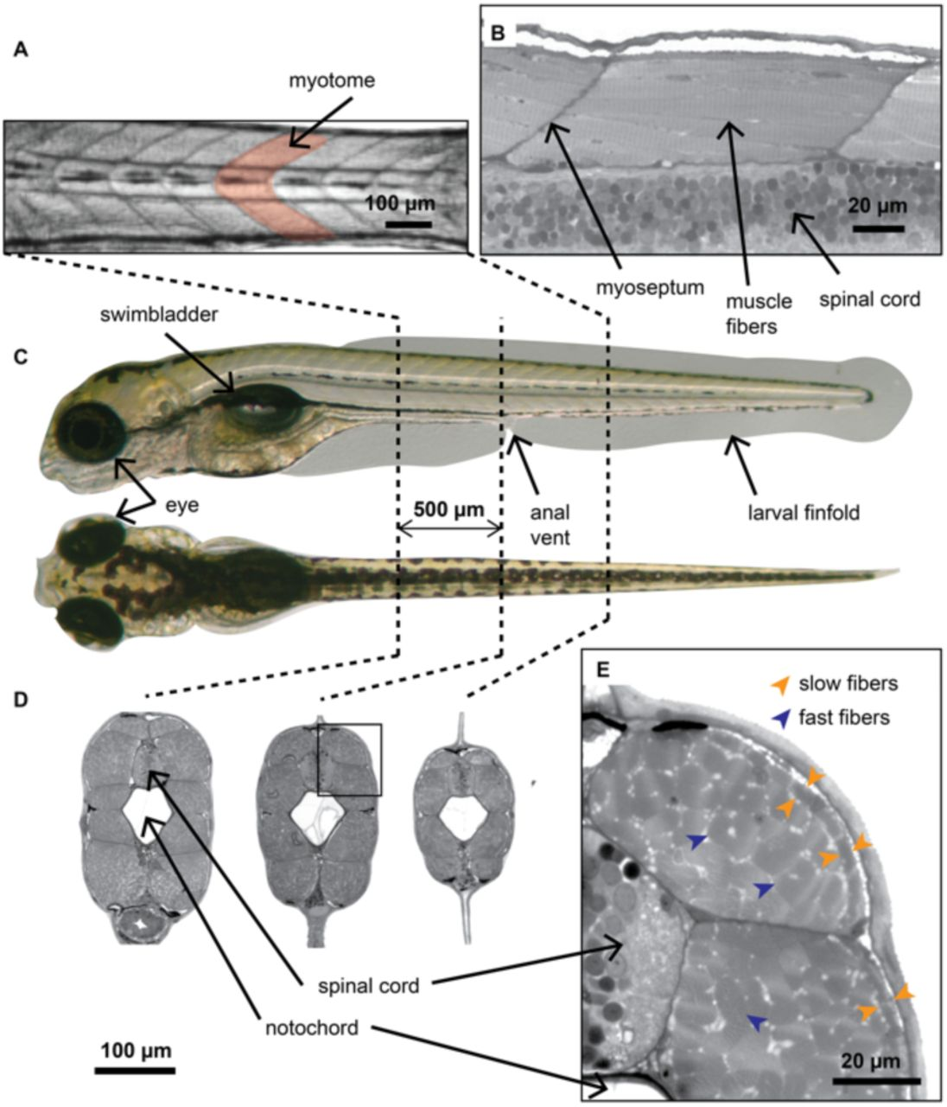
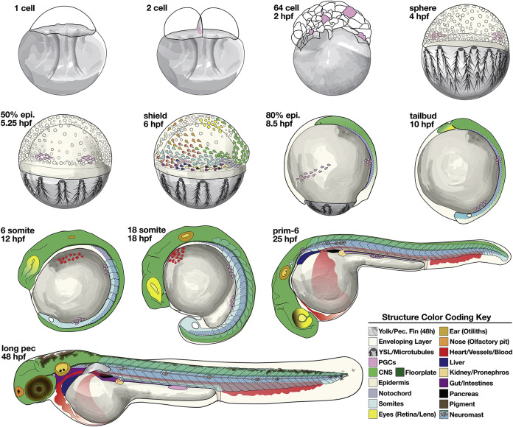
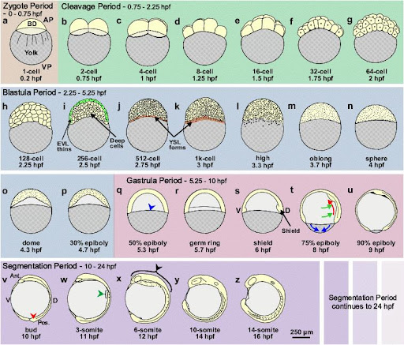
Stage & Time (hpf) | Key External / Morphological Changes | Notochord | Somite / Muscle | CNS (Brain & Spinal Cord) | Brain ventricles/ Chloro plexus | Eye Development | Ear (Otic) Dev. | Nasal Pits | Heart & Circulation | Tail Development
Zygote Period (0 – 0.75 hpf) | - Single-cell zygote - Fertilization and cleavage initiation
Imaging interval, priority (low/med/high) | 1 min / low
Cleavage Period (0.75 – 2.25 hpf) | - Rapid synchronous cell divisions (2-, 4-, 8-cell, etc.) - Minimal cytoplasmic growth | - Still notochord progenitors within axial mesoderm
Imaging interval, priority (low/med/high) | 1 min / low | 1 min / low

Blastula Period (2.25 – 5.25 hpf) | - Formation of blastoderm (1000+ cells) - Dome stage, yolk syncytial layer forms | - Axial mesoderm cells are located centrally but not morphologically distinct |  | - Neural fate begins to be specified among blastoderm cells |  | - Eye field specification still minimal |  |  | - Cardiogenic mesoderm specified at lateral positions
Imaging interval, priority (low/med/high) | 1 min / low
Gastrula Period (5.25 – 10.33 hpf) | - Epiboly: blastoderm cells move down over the yolk - Germ layers (ectoderm, mesoderm, endoderm) established - Body axes set | - Notochord precursors in the axial mesoderm begin to converge and elongate | - Paraxial mesoderm (future somites) laid out alongside notochord region | - Neural plate begins to form anteriorly (~10 hpf); future brain/spinal cord territories become regionally distinct |  | - Early positioning of prospective eye fields in anterior neural plate | - Prospective otic territory in the anterior-lateral ectoderm (not yet morphologically visible) |  | - Cardiac precursors in lateral plate mesoderm (heart field) | - Tail bud emerges at the posterior end of the embryo (late gastrula)
Imaging interval, priority (low/med/high) |  |  |  | 1 min / med |  | 30 s / low | 30 s / low |  |  | 30 s / low
Segmentation Period (10.33 – 24 hpf) | - Somitogenesis (formation of somite 'blocks') - Morphological elongation of the embryo - Axis curvature becomes evident | - Notochord cells arrange into a distinct rod; by ~14 hpf, notochord is visible along midline | - Somites begin forming sequentially from anterior to posterior (~10–20 hpf); up to ~30 somites by 24 hpf | - Neural plate → Neural keel → Neural rod (~10–18 hpf); primary brain vesicles (fore/mid/hindbrain) visible by ~24 hpf |  | - Optic vesicles start to evaginate from the forebrain region (~16–18 hpf); lens placode thickens (~24 hpf) | - Otic placode appears (~18–20 hpf); beginning of otic vesicle formation |  | - Heart tube forms and initiates heartbeat (~22–24 hpf); early circulation may start near the end of this period (24–26 hpf) | - Tail elongates as additional somites form; posterior extension of notochord and neural tube
Imaging interval, priority (low/med/high) |  |  |  | 1 min / med |  | 30 s / low | 30 s / low |  |  | 30 s / low
Pharyngula Period (24 – 48 hpf) | - Pharyngeal arches visible - Pronounced head morphogenesis - Pigment cells appear (initial melanophores) | - Notochord becomes more rigid; influences neural tube patterning | - Somites become more defined and begin to develop muscle fibers (myotomes) | - Brain subdivided into fore/mid/hindbrain domains; spinal cord canal forms (central lumen) |  | - Retinal pigment first visible (~24–36 hpf); lens differentiates; eye size increases | - Otic vesicle closes to form fluid-filled structure (~24–36 hpf); hair cells begin differentiating |  | - Heart tube loops; chamber demarcation more evident (~36–48 hpf); circulation fully established; RBCs flow through body | - Tail finfold becomes more distinct; tail continues to lengthen
Imaging interval, priority (low/med/high) |  |  |  | 1 min / med |  | 30 s / high | 30 s / high |  |  | 30 s / high
Hatching Period (48 – 72 hpf) | - Larvae often break out of the chorion (using hatching gland enzymes) - Increased pigment - Start of free-swimming | - Notochord straightens further; structural support for the developing spinal column | - Visible trunk muscles with defined chevron-shaped somites | - Ongoing brain growth; major brain subdivisions (telencephalon, diencephalon, mesencephalon, rhombencephalon) recognized; spinal cord matures |  | - Eye well pigmented; retina layering increases in complexity | - Otic vesicle matures; more hair cells differentiate; beginning of vestibular function |  | - Heart loops fully and becomes more robust; stronger, coordinated blood flow; further vessel branching | - Tail fully extended; early finfold structures more evident; some fin rays begin to show initial condensations
Imaging interval, priority (low/med/high) |  |  |  | 1 min / med |  | 30 s / high | 30 s / high |  |  | 30 s / high
Early Larval Period (72 hpf – 6 dpf) | - Swim bladder inflation (around 4–5 dpf) - Mouth/jaw morphogenesis allows first feeding (~5 dpf) - Rapid growth and pigmentation | - Notochord remains as core 'spinal rod,' later to be replaced by vertebral column elements | - Myotomes enlarge; muscle fiber differentiation continues; pectoral fin buds more prominent | - Further refinement of neural circuits; increased motor coordination; larvae become more responsive to stimuli |  | - Retinal layering refines; cones develop; visually guided behavior emerges; eye size increases | - Internal ear (otic capsule) continues to form semicircular canals; improved hearing/balance |  | - Heart chambers (atrium, ventricle) clearly distinct by ~3–4 dpf; definitive hematopoiesis ramps up in kidney and thymus | - Ongoing elongation; fin development (pectoral fins, beginnings of dorsal/anal fins) is more pronounced; tail fin extends further
Imaging interval, priority (low/med/high) |  |  |  | 1 min / low |  | 30 s / high | 30 s / high |  |  | 30 s / high

Orientations
LHDH | Lateral, Heart Down, Head front |  | These were described in this presentation: | fish orientation.pptx
LHUH | Lateral, Heart Up, Head front
LHUT | Lateral, Heart Up, Tail front
LHDT | Lateral, Heart Down, Tail front
VTUHD | Vertical, Tail Up, Heart at DO | 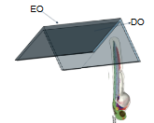
VTUHE | Vertical, Tail Up, Heart at EO | 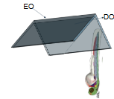
VHUHD | Vertical, Head Up, Heart at DO | 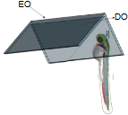
VHUHE | Vertical, Head Up, Heart at EO | 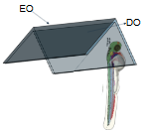
DH | Dorsal, Head user
DT | Dorsal, Tail user
VT | Ventral, Tail user
VH | Ventral, Head user
LHR | Lateral, Head pointing to the right, from the mounter's perspective

